Tool 07
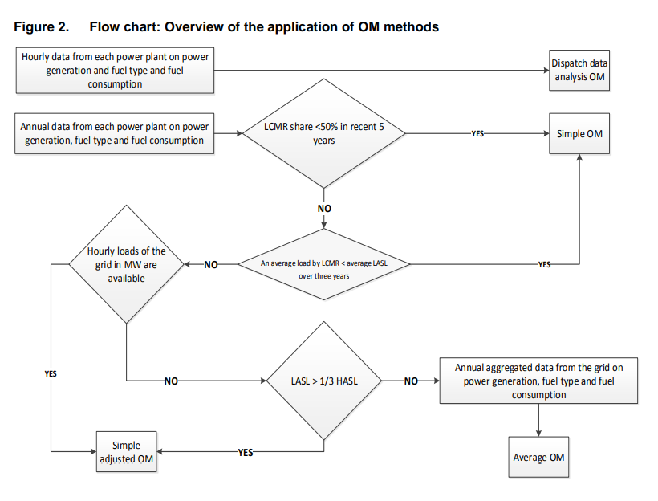
Required Field | Selective Disclosure | Allow Multiple Answers | Schema Type | Parameter | Question | Answer | Notes | Comments
Identify the relevant electricity systems
Yes |  | No | String | N/A | Please provide information about electricity systems. For more information refer to section 6.1 in Methodological Tool 07. |  |  | The comments on TOOL07 appraoch that was or will be shared by Panna are applicable here
Select a method to determine the operating margin (OM)
Yes |  | No | If/Then |  | Does you have hourly or annual data from each power plant on power generation and fuel type and fuel consumption? | Annual | If Hourly OM is Dispatch Data Analysis OM, if Annual follow up with next question
Yes |  | No | If/Then |  | Is LCMR share less than 50% in recent 5 years? | No | If Yes OM is Simple OM, If No follow up with next question
Yes |  | No | If/Then |  | Is the average load by LCMR less than the average LASL over three years? | No | If yes OM is Simple OM, If No follow up with next question
Yes |  | No | If/Then |  | Are hourly loads of the grid in MW available? | No | If Yes OM is Simple Adjusted OM, If No follow up with next question
Yes |  | No | If/Then |  | Is the LASL more than one third of the HASL? | No | If Yes OM is Simple Adjusted OM, If No follow up with next question
Yes |  | No | If/Then |  | Do you have annual aggregated data from the grid on power generation, fuel type and fuel consumption? | Yes | If Yes OM is Average OM, If No give message "Please check responses to properly determine the operating margin."
Flowchart for Step 3

Logic Maps
